Profile Creation and Management
Results | Passed | 24
 | Failed | 2
 | Blocked | 0
 | Not tested | 0
 | No of tests | 26
 | Pass % | 92.31%

Test Case ID | Test Case Name | Test Steps | Expected Results | Status/Test case step | Test case status | Notes
Profile
1 | Open Profile Menu | 1. Open Freetube | Freetube launches | Passed | Passed
 |  | 2. Click on the "A" bubble in the top right corner | Profile selector drop-down menu opens | Passed

2 | Open Profile Manager | 1. Open Freetube | Freetube launches | Passed | Passed
 |  | 2. Click on the "A" bubble in the top right corner | Profile selector drop-down menu opens | Passed
 |  | 3. Click on the settings icon inside the profile selector drop-down menu | Profile Manager is opened | Passed

3 | Open Create New Profile | 1.Open the Profile Manager | Profile Manager opens | Passed | Passed
 |  | 2. Click on "Create New Profile" | "Create New Profile" opens the "Profile Editor" | Passed
 |  | 3. Scroll to the bottom | Scrolling with the scroll bar functions | Passed
 |  | 4. Select "Create Profile" | Error will pop-up asking for a username | Passed

4 | Set a profile name | 1.Open the Profile Manager | Profile Manager page opens | Passed | Passed
 |  | 2. Click on "Create New Profile" | Profile Editor is opened | Passed
 |  | 3. In the "Profile Name" text box insert any character | Characters can be inserted in the text box | Passed
 |  | 4. Scroll to the bottom | Scrolling with the scroll bar functions | Passed
 |  | 5. Click on "Create Profile" | Profile is created succesfully with a notification | Passed

5 | Select profile color from the color picker | 1.Open the Profile Manager | Profile Manger page opens | Passed | Passed
 |  | 2. Click on "Create New Profile" | Profile Editor is opened | Passed
 |  | 3. In the "Profile Name" text box insert any character | Characters can be inserted in the text box | Passed
 |  | 4. Pick any color from the "Color Picker" | Profile avatar color is selected according to the chosen color | Passed
 |  | 5. Scroll to the bottom | Scrolling with the scroll bar functions | Passed
 |  | 6. Click on "Create Profile" | Profile is created succesfully with a notification | Passed

6 | Select profile color with the "Custom Color" option | 1. Open the Profile Editor | Profile Editor opens | Passed | Passed
 |  | 2. Click on the color box on the right side of "Custom Color" | Color selector drop-down menu with color options opens | Passed
 |  | 3. Select a desired color | Profile color is set accordingly to the selected color | Passed
 |  | 4. Click on "Create Profile" | The color selected is saved | Passed

7 | Select profile color with the "Custom Color" option by using RGB parameters | 1. Open the Profile Editor | Profile Editor opens | Passed | Passed
 |  | 2. Click on the color box on the right side of "Custom Color" | Color selector drop-down menu with color options opens | Passed
 |  | 3. Select a desired color by inputing a RGB value | Profile color is set accordingly to the selected RGB color | Passed
 |  | 4. Click on "Create Profile" | The color selected is saved | Passed

8 | Create account with a username that contain latin letters | 1.Open the Profile Manager | Profile Manager page opens | Passed | Passed
 |  | 2. Click on "Create New Profile" | Profile Editor is opened | Passed
 |  | 3. In the "Profile Name" text box insert latin letters | Characters can be inserted in the text box | Passed
 |  | 4. Scroll to the bottom | Scrolling with the scroll bar functions | Passed
 |  | 5. Click on "Create Profile" | Profile is created succesfully with a notification | Passed

9 | Create account with a username that contain cyrillic letters | 1.Open the Profile Manager | Profile Manager page opens | Passed | Passed
 |  | 2. Click on "Create New Profile" | Profile Editor is opened | Passed
 |  | 3. In the "Profile Name" text box insert any cyrilllic letters | Cyrillic letters can be inserted in the text box | Passed
 |  | 4. Scroll to the bottom | Scrolling with the scroll bar functions | Passed
 |  | 5. Click on "Create Profile" | Profile is created succesfully with a notification | Passed

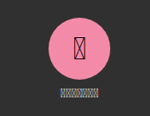
10 | Create profile with a username that contain traditional and simplified chinese ideograms | 1.Open the Profile Manager | Profile Manager page opens | Passed | Failed
 |  | 2. Click on "Create New Profile" | Profile Editor is opened | Passed |  | Chinese characters are not recognized therefore the texts default to empty squares
 |  | 3. In the "Profile Name" text box insert any chinese ideograms | Chinese ideograms can be inserted in the text box | Failed
 |  | 4. Scroll to the bottom | Scrolling with the scroll bar functions | Passed
 |  | 5. Click on "Create Profile" | Profile is created succesfully with a notification | Passed
 |  | 6. Check the username of the newly created profile | Profile username will display the chinese ideograms

11 | Create account with a username that contain arabic letter | 1.Open the Profile Manager | Profile Manager page opens | Passed | Passed
 |  | 2. Click on "Create New Profile" | Profile Editor is opened | Passed
 |  | 3. In the "Profile Name" text box insert any arabic letters | Arabic letters can be inserted in the text box | Passed
 |  | 4. Scroll to the bottom | Scrolling with the scroll bar functions | Passed
 |  | 5. Click on "Create Profile" | Profile is created succesfully with a notification | Passed

12 | Create account with a username that contains numberic values | 1.Open the Profile Manager | Profile Manager page opens | Passed | Passed
 |  | 2. Click on "Create New Profile" | Profile Editor is opened | Passed
 |  | 3. In the "Profile Name" text box insert any numbers | Numbers can be inserted in the text box | Passed
 |  | 4. Scroll to the bottom | Scrolling with the scroll bar functions | Passed
 |  | 5. Click on "Create Profile" | Profile is created succesfully with a notification | Passed

13 | Create account with a username that contains symbols and punctuations | 1.Open the Profile Manager | Profile Manager page opens | Passed | Passed
 |  | 2. Click on "Create New Profile" | Profile Editor is opened | Passed
 |  | 3. In the "Profile Name" text box insert any symbols and punctuations | Symbols and punctuations can be inserted in the text box | Passed
 |  | 4. Scroll to the bottom | Scrolling with the scroll bar functions | Passed
 |  | 5. Click on "Create Profile" | Profile is created succesfully with a notification | Passed

14 | Switch between created profiles | 1. Open the Profile Manager | Profile Manager page opens | Passed | Passed
 |  | 2.Switch between the created profiles | Profiles can be switeched | Passed

15 | Create 50 profiles | 1.Open the Profile Manager | Profile Manager page opens | Passed | Passed
 |  | 2. Click on "Create New Profile" | Profile Editor opens | Passed
 |  | 3. Insert name | Characters can be inserted | Passed
 |  | 4. Repeat 50 times | 50 profiles are created | Passed

16 | Edit existing profile name | Open the Profile Selector | Profile Selector opens | Passed | Passed
 |  | Click on any existing account | Profile Editor for existing account opens | Passed
 |  | Edit the name | Name can be edited | Passed
 |  | Click on "Update Profile" | Account is updated | Passed

17 | Edit the color of an existing profile | Open the Profile Selector | Profile Selector opens | Passed | Passed
 |  | Click on any existing account | Profile Editor for existing account opens | Passed
 |  | Click on any preset color | Color can be selected | Passed
 |  | Click on "Update Profile' | Color is saved | Passed

18 | Edit the color of an existing profile by using the "Custom color" option | Open the Profile Selector | Profile Selector opens | Passed | Passed
 |  | Click on any existing account | Profile Editor for existing account opens | Passed
 |  | Click on the color selector and choose a color | Color can be selected | Passed
 |  | Click on "Update Profile' | Color is saved | Passed

19 | Edit the color of an existing profile by using the "Custom color" option by using setting up RGB parameters | Open the Profile Selector | Profile Selector opens | Passed | Passed
 |  | Click on any existing account | Profile Editor for existing account opens | Passed
 |  | Input any RGB value | Color can be selected | Passed
 |  | Click on "Update Profile' button | Color is saved | Passed

20 | Update default profile with selected edits | Open the Profile Selector | Profile Selector opens | Passed | Passed
 |  | Select the "All Channels" default profile | Profile Editor for existing account opens | Passed
 |  | Change the default color | Color can be selected | Passed
 |  | Click on "Update Profile" button | Color is saved and default account is edited | Passed

21 | Set newly created profile as default | Open the Profile Selector | Profile selector opens | Passed | Passed
 |  | Select a profile that isn't the default one | Opens the Profile Editor for the selected profile | Passed
 |  | Scroll down | Scrolls down as intended | Passed
 |  | Click the 'Make Default" button | The selected account becomes the default one, recieve a pop-up notification | Passed

22 | Delete newly created profile | Open the Profile Selector | Profile selector opens | Passed | Passed
 |  | Select a profile that isn't the default one | Opens the Profile Editor for the selected profile | Passed
 |  | Scroll down | Scrolls down as intended | Passed
 |  | Click the "Delete Profile" button | Deletion confirmation box pops-up | Passed
 |  | Click "Yes" when the deletetion confirmation box pops up | Profile is deleted | Passed

23 | Delete default profile | Open Profile selector | Profile selector opens | Passed | Failed
 |  | Select the default profile | Opens the Profile Editor for the selected profile | Passed
 |  | Click on the 'Delete Profile" button | Deletion confirmation box pops-up | Failed
 |  | Click 'Yes" when the deletion confirmation box pops up | Profile is deleted | Failed |  | The delete button is not available on default profiles
 |  |  |  | Blocked

24 | Select channels in the subscription list under the profile editing tab | Open the Profile selector | Profile selector page opens | Passed | Passed
 |  | Select an account that has a subscription list | Account is selected | Passed
 |  | Scroll down to the "Subscription List" | Scrolling functions | Passed
 |  | Click on any of the channels | Channel is selected | Passed

25 | Select none button in the subscription list under the profile editing tab | Scroll down to the "Subscription list" | Scrolling works at indended | Passed | Passed
 |  | Click a few channels | Channels are selected | Passed
 |  | Click on the "Select None" button | All selected channels get deselected | Passed

26 | Delete selected channels in the subscription list under the profile editing tab | Scroll down to the "Subscription list" | Scrolling works at indended | Passed | Passed
 |  | Click a few channels | Channels are selected | Passed
 |  | Click on the "Delete Selected" button | All selected channels get removed from the list | Passed

Performance testing
Results | Passed | 7
 | Failed | 3
 | Blocked | 0
 | Not tested | 0
 | No of tests | 10
 | Pass % | 70.00%

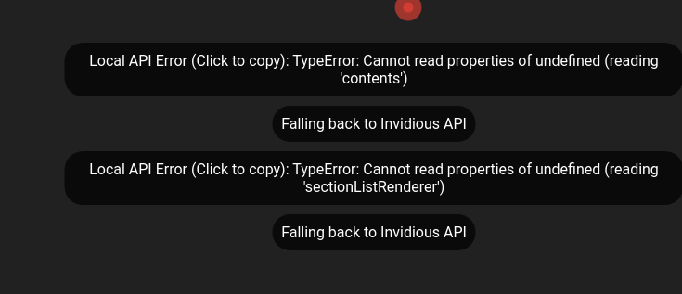
Test Case ID | Test Case Name | Test Steps | Expected Results | Status/Test case step | Test case status | Notes
Shortcut commands
252 | Set "preferred API backend" to Local API and open a video | Open Freetube | Freetube opens | Passed | Failed
 |  | Go the the settings menu | Settings menu opens | Passed
 |  | Open the general settings | The general settings section is expanded | Passed
 |  | Click on the "Prefered API Backend" | Drop-down menu with two options appears | Passed
 |  | Select "Local API" from the drop-down menu | Local API is selected and saved as default | Passed
 |  | Open any video | The video page is opened and the video loads | Failed

253 | Set "preferred API backend" to Invidious API and open a video | Go the the settings menu | Settings menu opens | Passed | Passed
 |  | Open the general settings | The general settings section is expanded | Passed
 |  | Click on the "Prefered API Backend" | Drop-down menu with two options appears | Passed
 |  | Select "Invidious API" from the drop-down menu | Invidious API is selected and saved as default | Passed
 |  | Open any video | The video page is opened and the video loads | Passed

254 | Change current instance to "yewtu.be" and open a video | Go the the settings menu | Settings menu opens | Passed | Passed
 |  | Open the general settings | The general settings section is expanded | Passed
 |  | Select the text box under "Current Invidious Instance" | Text box is selected | Passed
 |  | Write "https://yewtu.be" | The link is saved | Passed
 |  | Open any video | The video page is opened and the video loads | Passed |  | Video does not load

255 | Change current instance to "invidious.snopyta.org" and open a video | Go the the settings menu | Settings menu opens | Passed | Passed
 |  | Open the general settings | The general settings section is expanded | Passed
 |  | Select the text box under "Current Invidious Instance" | Text box is selected | Passed
 |  | Write "https://invidious.snopyta.org | The link is saved | Passed
 |  | Open any video | The video page is opened and the video loads | Passed

256 | Change current instance to "invidio.xamh.de" and open video | Go the the settings menu | Settings menu opens | Passed | Passed
 |  | Open the general settings | The general settings section is expanded | Passed
 |  | Select the text box under "Current Invidious Instance" | Text box is selected | Passed
 |  | Write "https://invidio.xamh.de" | The link is saved | Passed
 |  | Open any video | The video page is opened and the video loads | Passed

257 | Change current instance to "y.com.sb" and open video | Go the the settings menu | Settings menu opens | Passed | Passed
 |  | Open the general settings | The general settings section is expanded | Passed
 |  | Select the text box under "Current Invidious Instance" | Text box is selected | Passed
 |  | Write "https://y.com.sb" | The link is saved | Passed
 |  | Open any video | The video page is opened and the video loads | Passed

258 | Change current instance to "invidious.baczek.me" and open video | Go the the settings menu | Settings menu opens | Passed | Passed
 |  | Open the general settings | The general settings section is expanded | Passed
 |  | Select the text box under "Current Invidious Instance" | Text box is selected | Passed
 |  | Write "https://invidious.baczek.me" | The link is saved | Passed
 |  | Open any video | The video page is opened and the video loads | Passed

259 | Change current instance to "invidious.namazso.eu" and open video | Go the the settings menu | Settings menu opens | Passed | Passed
 |  | Open the general settings | The general settings section is expanded | Passed
 |  | Select the text box under "Current Invidious Instance" | Text box is selected | Passed
 |  | Write "https://invidious.namazso.eu" | The link is saved | Passed
 |  | Open any video | The video page is opened and the video loads | Passed

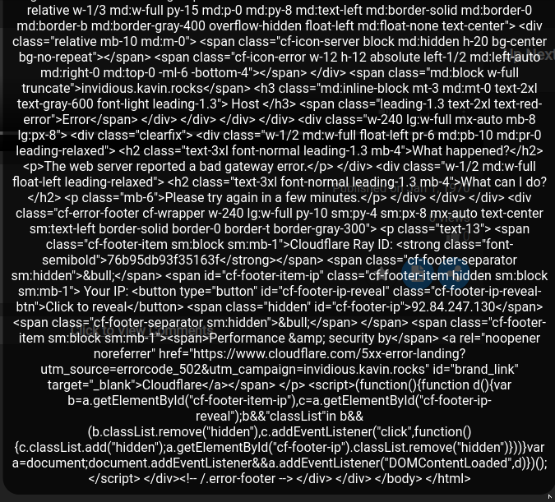
260 | Change current instance to "https://invidious.kavin.rocks/" and open video | Go the the settings menu | Settings menu opens | Passed | Failed
 |  | Open the general settings | The general settings section is expanded | Passed
 |  | Select the text box under "Current Invidious Instance" | Text box is selected | Passed
 |  | Write "https://invidious.kavin.rocks/" | The link is saved | Passed
 |  | Open any video | The video page is opened and the video loads | Failed |  | The video doesn't load
 |  |  |  |  |  | Is followed by an error message

261 | Change current instance to "https://inv.privacy.com.de/" and open video | Go the the settings menu | Settings menu opens | Passed | Failed
 |  | Open the general settings | The general settings section is expanded | Passed
 |  | Select the text box under "Current Invidious Instance" | Text box is selected | Passed
 |  | Write "https://inv.privacy.com.de/" | The link is saved | Passed
 |  | Open any video | The video page is opened and the video loads | Failed

